Time Sheet
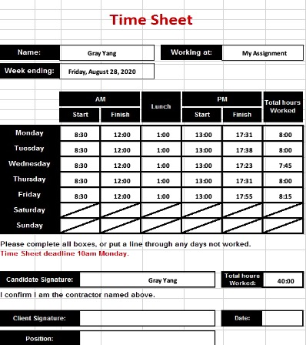

Gray Yang |  |  |  | My Assignment

2020-08-28

8:30:00 | 12:00:00 | 1:00:00 | 13:00:00 | 17:31:00 | 8:00:00
8:30:00 | 12:00:00 | 1:00:00 | 13:00:00 | 17:38:00 | 8:00:00
8:30:00 | 12:00:00 | 1:00:00 | 13:00:00 | 17:23:00 | 7:45:00
8:30:00 | 12:00:00 | 1:00:00 | 13:00:00 | 17:31:00 | 8:00:00
8:30:00 | 12:00:00 | 1:00:00 | 13:00:00 | 17:55:00 | 8:15:00

 | Gray Yang |  |  |  | 40:00:00

